Sec. 3.4 - Dry Well
Design requirements, BMP sizing and costs estimates spreadsheet VCAP Manual Section 3.4 - Dry Well (DW)
Design including:
Items | Yes | N/A | Notes
Map of BMP Location |  |  | Show dry well location on map of property. Can use Googlemaps, Fairfax County Jade (www.fairfaxcounty.gov/maps), other software, or hand drawn |  |  | Data input cells
Pervious and impervious drainage area |  |  | Very important for determining correct size of dry well |  |  | Calculation cells
Inflow / outflow type and location |  |  | How does water enter and exit dry well? |  |  | Constant values
Cross section& plan view |  |  | See example to right. Does not have to be professional
Drainage area soil map |  |  | See "Soil Viewer" app at www.fairfaxcounty.gov/maps |  | Be aware of your depth! OSHA requires ladders or other worker egress for trenches ≥ 4 ft. deep and trench boxes or other cave-in protection for trenches ≥ 5 ft. deep.
Measured infiltration rate (in/hr) |  |  | Infiltration test needed to prove site suitability
A statement regarding compliance with any required permit. |  |  | Generally not needed unless dry well is very large
Professional Eng. stamp |  |  | Almost never needed for dry well
Sizing calculations
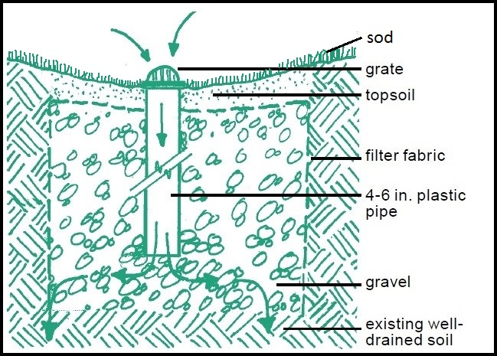
Total impervious drainage area (SF) | 0.00 | Square footage of roof, paving, etc. that drains to dry well
Total pervious drainage area (SF) | 0.00 | Square footage of lawn, vegetated land that drains to dry well
Void ratio | 0.40 | Estimated amount of storage space w/in gravel reservoir
Design storm (inches) | 1.0 | VCAP dry well must capture runoff from 1" storm. Can make larger
Gravel Reservoir depth (ft) | 3.5 | Depth of the gravel layer (not inclding surface topsoil). Play around with depth to see how it affects dry well surface area.
Treatment volume (cu. feet) | 0.0 | Will change with size of impervious, pervious drainage areas
Dry well surface area (sq. feet) | 0.0 | Surface area times depth determines the volumes of material below
BMP Cost estimates
Material & Services | Depth (ft) | Vol (CY) | Unit price ($)/CY | Costs
Surface area | 0.00
Gravel depth (ft) | 3.50 | 0.00 | $0.00 | 0 | Typical dry well cross section. Designs will vary from site to site. More detailed information on dry well designs can be found in the VCAP Manual (https://vaswcd.org/vcap-information) and at the Virginia BMP Clearinghouse (https://swbmp.vwrrc.vt.edu)
Topsoil depth (ft) | 0.00 | 0.00 | $0.00 | $0.00
Total excavation depth (ft) | 3.50 | 0.00 | $0.00 | $0.00
Under drain, cleanout pipes and accessories (totals) | $0.00 |  |  | $0.00
Filter fabric (add the total cost) | $0.00 |  |  | $0.00
Plants (add the total cost) | $0.00 |  |  | $0.00
Additional costs including installation | $0.00 |  |  | $0.00
Total construction costs |  |  |  | $0.00
VCAP cost share |  |  |  | $0.00
Notes:
Sizing computation is based on the VCAP Design Manual, 2021 Edition
https://vaswcd.org/wp-content/uploads/2020/07/FY2021_VCAP-BMP-Manual.pdf
Design storm added as a constant, but can vary

Sec. 3.4 - Dry Well With Barrel
Design requirements, BMP sizing and costs estimates spreadsheet VCAP Manual Section 3.4 - Dry Well (DW) with Optional Storage Barrels
Design including:
Items | Yes | N/A | Notes
Map of BMP Location |  |  | Show dry well location on map of property. Can use Googlemaps, Fairfax County Jade (www.fairfaxcounty.gov/maps), other software, or hand drawn |  |  | Data input cells
Pervious and impervious drainage area |  |  | Very important for determining correct size of dry well |  |  | Calculation cells
Inflow / outflow type and location |  |  | How does water enter and exit dry well? |  |  | Constant values
Cross section& plan view |  |  | See example on previous tab. Can be hand drawn
Drainage area soil map |  |  | See "Soil Viewer" app at www.fairfaxcounty.gov/maps |  | Be aware of your depth! OSHA requires ladders or other worker egress for trenches ≥ 4 ft. deep and trench boxes or other cave-in protection for trenches ≥ 5 ft. deep.
Measured infiltration rate (in/hr) |  |  | Infiltration measurment needed for dry wells
A statement regarding compliance with any required permit. |  |  | Generally not needed unless dry well is very large
Professional Eng. stamp |  |  | Almost never needed for dry well
Sizing calculations
Total impervious drainage area (SF) | 0.00 | Square footage of roof, paving, etc. that drains to dry well
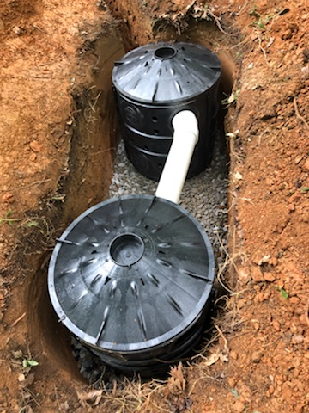
Total pervious drainage area (SF) | 0.00 | Square footage of lawn, vegetated land that drains to dry well
Storage Volume of Barrels - if used (gal) | 0.00
Void ratio | 0.40 | Estimated amount of storage space w/in gravel reservoir
Design storm (inches) | 1.0 | VCAP dry well must capture runoff from 1" storm. Can make larger
Gravel Reservoir Depth (ft) | 0.0 | Depth of the gravel layer (not inclding surface topsoil). Play around with depth to see how it affects dry well surface area.
Treatment volume (cu. feet) | 0.0 | Will change with size of impervious, pervious drainage areas
Dry well surface area (sq. feet) | #DIV/0! | Surface area times depth determines the volumes of material below
Cost Estimates
Material & Services | Depth (inches) | Vol (CY) | Unit price ($)/CY | Costs
Surface area | #DIV/0!
Gravel depth (ft) | 0.00 | #DIV/0! | $0.00 | #DIV/0!
Topsoil depth (ft) | 0.00 | #DIV/0! | $0.00 | #DIV/0!
Total excavation depth (ft) | 0.00 | #DIV/0! | $0.00 | #DIV/0!
Other materials: infow/outflow pipes, pre-treatment, leaf/sediment filters, observation wells, cleanouts, etc. Add up total costs. | $0.00 |  |  | $0.00
Filter fabric (add the total cost) | $0.00 |  |  | $0.00 | Dry well with two storage barrels under construction.
Sod/other plants (add the total cost) | $0.00 |  |  | $0.00
Additional costs including installation | $0.00 |  |  | $0.00
Total construction costs |  |  |  | #DIV/0! | Designs will vary from site to site. More detailed information on dry well designs can be found in the VCAP Manual (https://vaswcd.org/vcap-information) and at the Virginia BMP Clearinghouse (https://swbmp.vwrrc.vt.edu)
VCAP cost share |  |  |  | #DIV/0!
Notes:
Sizing computation is based on the VCAP Design Manual, 2021 Edition
https://vaswcd.org/wp-content/uploads/2020/07/FY2021_VCAP-BMP-Manual.pdf
Design storm added as a constant, but can vary

